_SAT-OVM-MAO-02
▣ Scenario SAT-OVM-MAO-02 :Fare Media Validation

PASSANGER
Tapping Card or Ticket
View Result of Transaction
OSCVM
▶ Desc & Flow
Description |  | OSCVM checks whether passenger’s fare media is a valid, and stores the result and sends it to OVMC. OVMC saves the transaction data for backup.
Biz flow ( It describe briefly )

▶ Advance preparation
Preparation |  | PASSENGER 1 EA,OSCVM 1 EA

▶ Data
NO | Item | 1 | 2 | 3 | 4 | 5
1 | N/A

001
Test Case SAT-OVM-MAO-02-001 :Period Pass Validation

1. Test Scenario
Test date |  | 1st |  | Tester |  | 1st
 |  | 2nd |  |  |  | 2nd
 |  | 3rd |  |  |  | 3rd

Card Tapping
Repeatedly Tapping Card
Tapping Card a period time
Description |  | Period Pass Validation |  |  |  |  | Written by
Flow

NO | Task | Test data | Expected result | Person in charge | Result |  | Pass/Fail |  |  | Remark
 |  |  |  |  |  |  | 1st | 2nd | 3rd
1 | [Card Tapping ] 1.Passenger taps the card on the SCVM | Test Data : A | Success to Validate (display the remaining period) | KIM J.E. | 1st |  |  |  |  | Test Data:B
 |  |  |  |  | 2nd
 |  |  |  |  | 3rd
2 | [Repeatedly Tapping Card ] 1.Passenger taps car repeatedly | Test Data : A | Success to Validate (display the remaining period) | KIM J.E. | 1st |  |  |  |  | Test Data:C
 |  |  |  |  | 2nd
 |  |  |  |  | 3rd
3 | [Invalid Card Tapping ] 1.Passenger taps the invalid card | Test Data : B | Not Success to Validate | KIM J.E. | 1st |  |  |  |  | Test Data:D
 |  |  |  |  | 2nd
 |  |  |  |  | 3rd

NO | Item
A | Valid Period Pass Card Tapping | It depends on the Pass Product list. (default testing pass product is 1 month period pass)
B | Invalid Period Pass Card Tapping | Invalid Period Pass Card (out of period)
C | 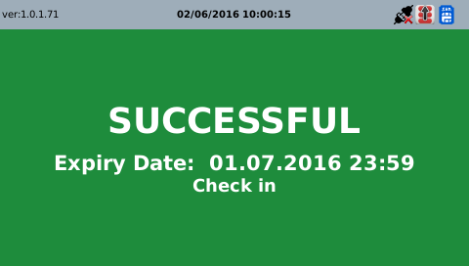
D |   
E | 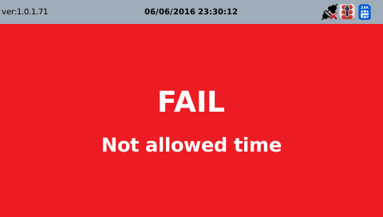

002
Test Case SAT-OVM-MAO-02-002 : SVT(Prepaid Ticket)Validation

1. Test Scenario
Test date |  | 1st |  | Tester |  | 1st
 |  | 2nd |  |  |  | 2nd
 |  | 3rd |  |  |  | 3rd

Tapping Invalid Ticket
Tapping Valid Ticket
Description |  | SVT(Prepaid Ticket)Validation |  |  |  |  | Written by
Flow

NO | Task | Test data | Expected result | Person in charge | Result |  | Pass/Fail |  |  | Remark
 |  |  |  |  |  |  | 1st | 2nd | 3rd
1 | [Tapping Invalid Ticket ] 1.Passenger tapping invalid ticket to OSCVM | Test Data A: Tapping invalid ticket | Not Success to Validate |  | 1st |  |  |  |  | Test Data:C
 |  |  |  |  | 2nd
 |  |  |  |  | 3rd
2 | [Tapping Valid Ticket] 1Passenger tapping valid ticket to OSCVM | Test Data B: Tapping valid ticket | Success to Validate |  | 1st |  |  |  |  | Test Data:D
 |  |  |  |  | 2nd
 |  |  |  |  | 3rd

NO | Item
A | Tapping invalid ticket
B | Tapping valid ticket
C | 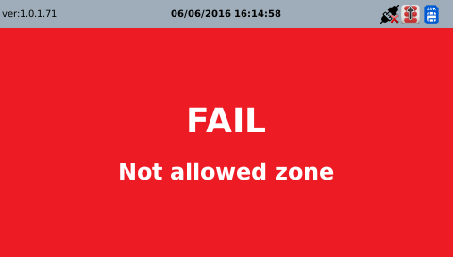 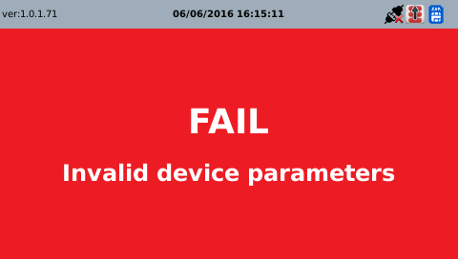 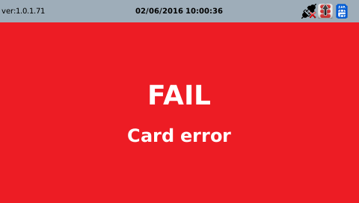
D

